Job Details

Job Number & Name: | 35084 LB Bexley
Site Number/Name: | Site 25 - Sherwood Park Avenue
Client: | Waterman
Date: | 2023-03-30

Site Plan
Advanced Transport Research |  |  | Job Number & Name: | 35084 LB Bexley
Site 25 - Sherwood Park Avenue |  |  | Date: | 2023-03-30

Job Type: | Pedestrian & Vehicle Count
Co-ordinates: | 51°26'47.89"N, 0° 6'39.80"E | Postcode: | DA15 9HN |  | Times: | 0730-0930 1430-1630

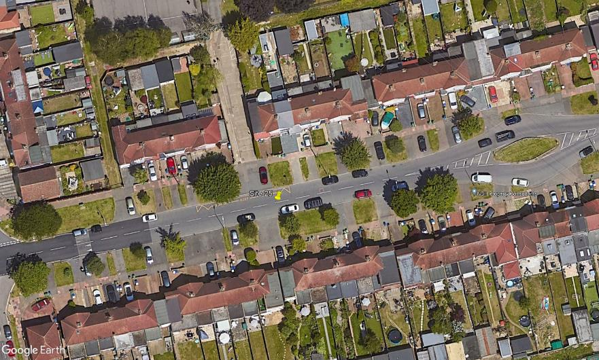
N

A
B
3
C
1
2

D

Sherwood Park Avenue

